Definitions
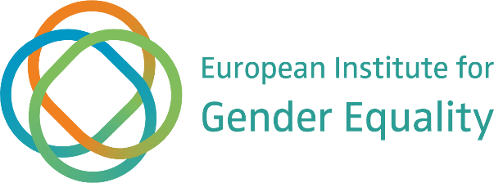 Media regulatory authorities: board/council presidents and members

For full methodological specifications refer to:
Online metadata
WMID methodological report
For details of the coverage of the data refer to:
Mapping table showing the media regulatory authorities covered in each country

Data collected by EIGE on Women and Men in Decision-Making Database for the EU candidate countries and potential candidates for the period 2018-2022 was funded by the European Commission under the Instrument for Pre-accession Assistance (IPA).

Organisations covered:
Independent regulatory authorities: responsible for overseeing media activities at the national level. In cases where there is no independent media regulatory authority at the national level, the highest sub-national (regional) organisation(s) is included instead. In all other cases, regional and local authorities are excluded. The self-regulatory organisations comprised solely of representatives of media organisations (e.g. journalists unions) and the organisations with responsibilities not strictly related to broadcasting regulation and competency are also not included.

Positions covered:
President: chairperson of the highest decision-making body
Members: members of the highest decision-making bodies (count includes the president). In cases where no decision-making body is present, the highest in the executive hierarchy and all senior executives are counted instead.

